Activate_Solver
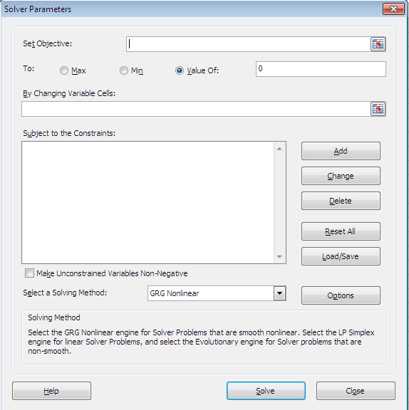
Making "solver" available

Click "File" on the menu bar --> Options --> Add-ins -->
 | [choose] Solver-add-in [on the manage (Excel Add-ins)]
 | --> (check) Solver_add-in --> [ok]

Activating solver

 | Data -- > Solver

